Grid costs
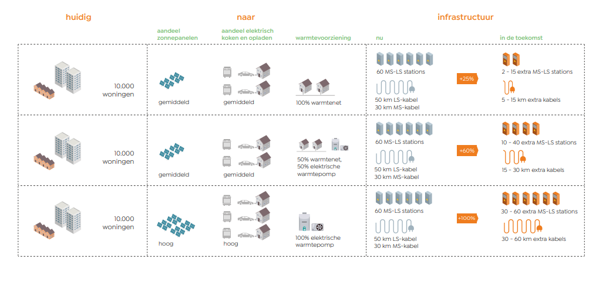
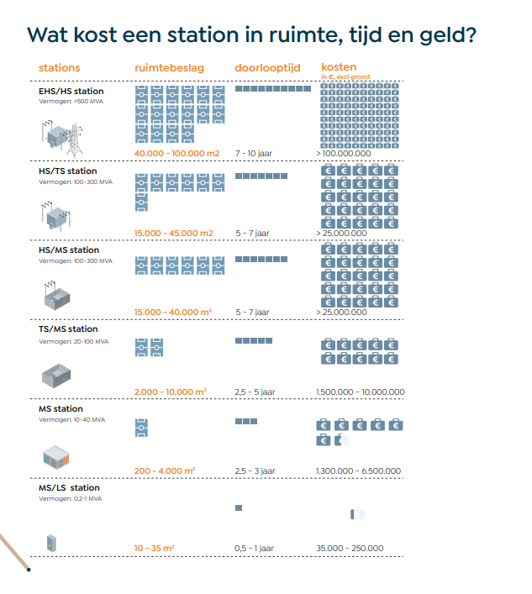
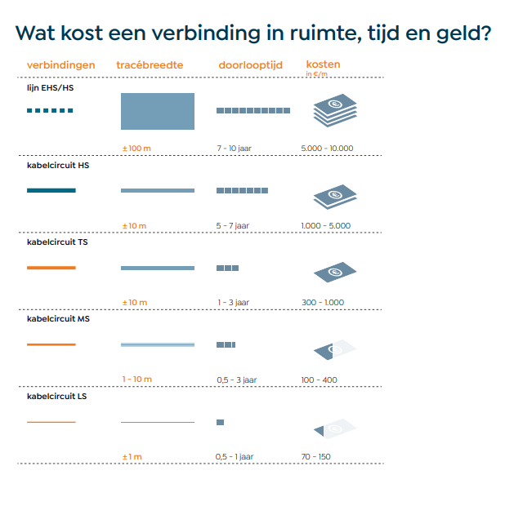
https://www.netbeheernederland.nl/_upload/Files/Basisdocument_over_energie-infrastructuur_143.pdf

Sheet2
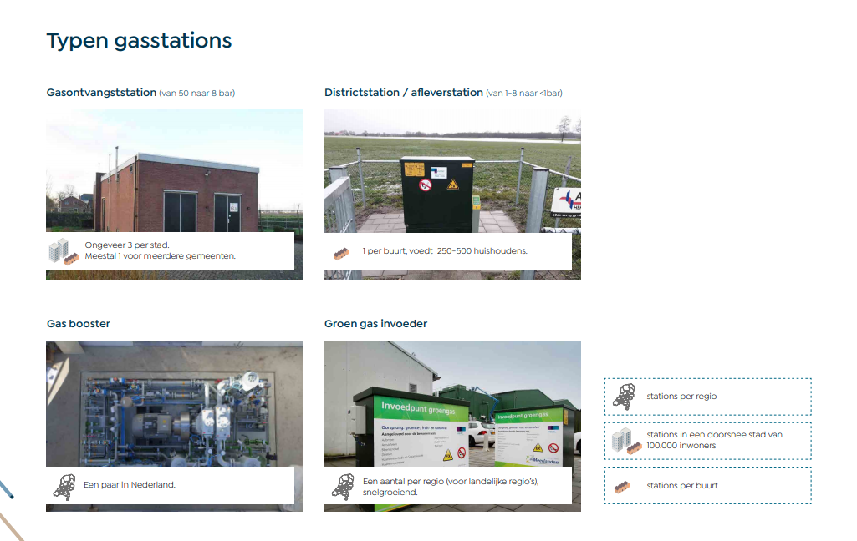
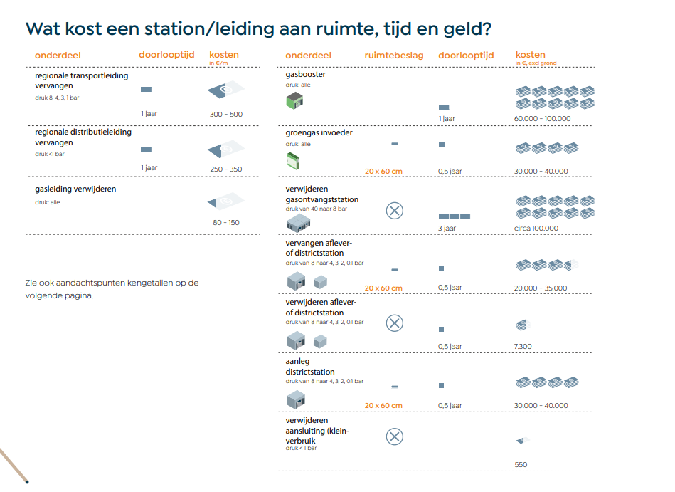
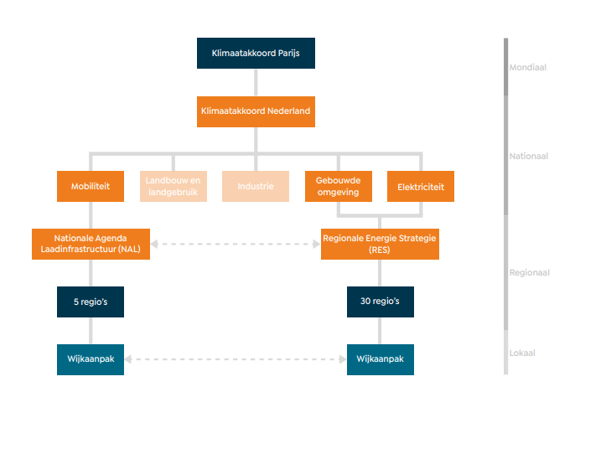
https://www.netbeheernederland.nl/_upload/Files/Basisdocument_over_energie-infrastructuur_143.pdf

